Quotation
QUOTATION

 | Quotation NO. | Pending
 | Date | 2026-04-20
 | Expiration Date | 21 days from the Proposal Date
 | Exhacnge rate $ USD | CNY 6.75
 | From | Lancy

 | Payment terms | Shipping terms | Port | ETA (China port)
 | 50% DP / 50% Before shipping | FOB by sea | Shanghai or Shenzhen

Option | Pic | Item | Size | Printing | Package type | Package picture | Lead time | MOQ | FOB price | The best way of shipment
1-1 | 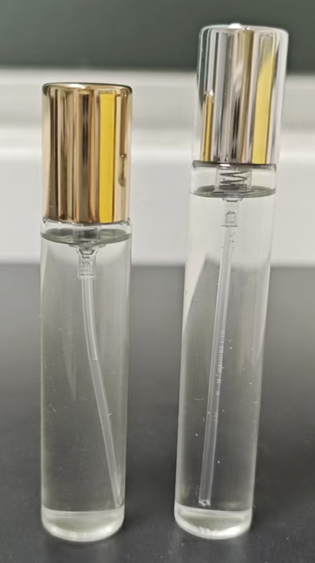 | 15ml glass bottle Thin glass + crimp spray + alu cap | Dia 20mm* Tall 94mm (with cap) the cap height: 25.8mm | 1C | master carton | 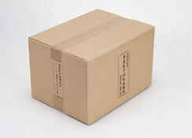 | 35 days | 60K*6 SKU | $0.49 | By sea
1-2 |  | 15ml glass bottle Thin glass + crimp spray + alu cap | Dia 18mm* Tall 106mm (with cap) the cap height: 25.8mm | 1C |  |  | 35 days | 60K*6 SKU | $0.45 | By sea
2 | 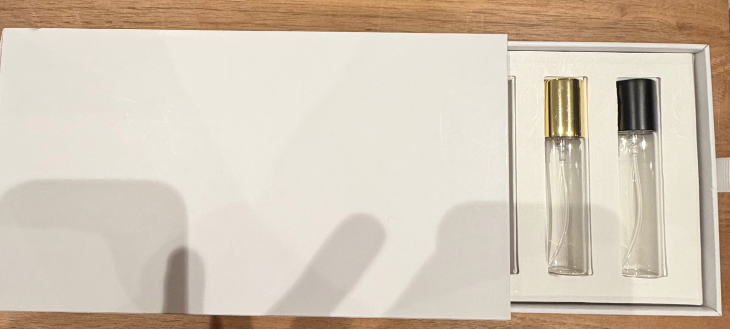 | Rigid gift box with a slide-out drawer tray (1.5mm thickness paper board) | 23.8cm(L)*3.2cm(W)*13.2cm(H) hold 6pcs 15ml bottles | CMYK + gold foil |  |  | 35-40 days | 60K | $2.39 | By sea

